Job Details

Job Number & Name: | 35084 LB Bexley
Site Number/Name: | Site 7 - Iron Mill Lane
Client: | Waterman
Date: | 2023-03-30

Site Plan
Advanced Transport Research |  |  | Job Number & Name: | 35084 LB Bexley
Site 7 - Iron Mill Lane |  |  | Date: | 2023-03-30

Job Type: | Pedestrian & Vehicle Count
Co-ordinates: | 51°27'22.27"N, 0°11'24.09"E | Postcode: | DA1 4RX |  | Times: | 0730-0930 1430-1630

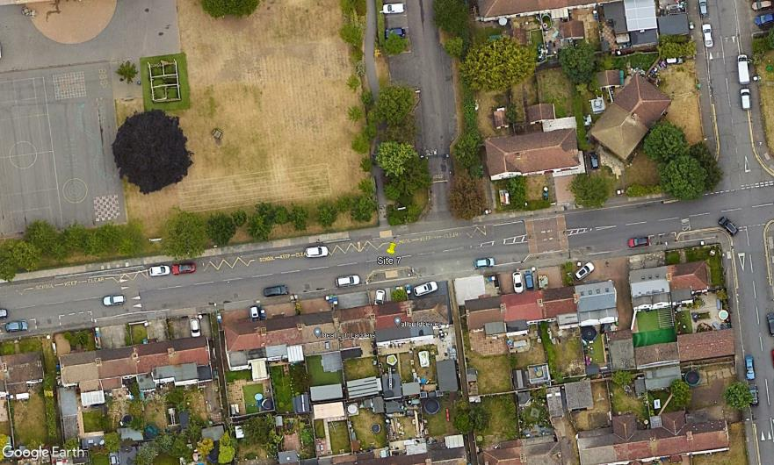
N

Maiden Lane

C
A
B
3
2
1
D

Iron Mill Lane

